Cover
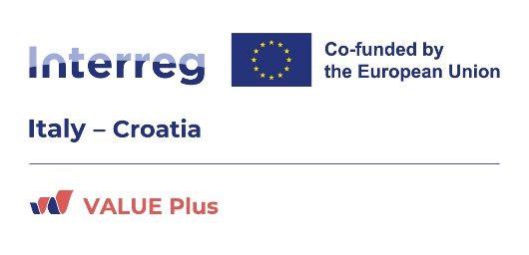

 | Cross-border Training Plan
 | Final version of 23/01/2025
 | Deliverable Number D.2.1.1

Project acronym | VALUE Plus
Project ID Number | ITHR0200204
Project Title | Value plus to cultural districts for the tourist enhancement of the cross-border area
Programme priority | Culture and tourism for sustainable development
Specific objective | 4.1: Enhancing the role of culture and sustainable tourism in economic development, social inclusion and social innovation
Work Package Number | 2
Work Package Title | Cross-border inclusive training and education activities
Activity Number | 2.1
Activity Title | Designing and planning of the cross-border training and awareness raising campaigns
Partner in charge | PP4 IDECO
Partners involved | All
Other contributors | University of Padua, University of Bologna
Status | Final
Distribution | Public

Overview


Deadline | Deliverable |  | State of the art | Activity | WP Output
2025-01-31 | D.2.1.1 | Cross-border Training Plan | Achieved | A 2.1 Designing and planning of the cross-border training and awareness raising campaigns | n. 40 participations in study trips for students and exchange experiences for tourist operators
2026-01-31 | D.2.2.1 | Training courses for students | Ongoing | A 2.2 Training courses for students
2026-01-31 | D.2.2.2 | N. 2 exchange study trips | Ongoing | A 2.2 Training courses for students
2026-01-31 | D.2.3.1 | Training courses/laboratories for operators | Ongoing | A 2.3 Training courses for operators
2025-01-31 | D.2.4.1 | Didactic kit | Achieved | A 2.4 Educational and awareness raising activities on the cultural aspects
2026-01-31 | D.2.4.2 | Laboratories/Summer school | Ongoing | A 2.4 Educational and awareness raising activities on the cultural aspects
2025-01-31 | D.2.4.3 | Gadgets for participants in the training activities | Achieved | A 2.4 Educational and awareness raising activities on the cultural aspects

Objectives: | 1 - Check the level of basic knowledge related to the concepts of sustainable tourism, cultural heritage and landscape conservation
 | 2 - Deepen the concepts of sustainable tourism, cultural heritage and landscape conservation
 | 3 - Learn more about digitalization of cultural heritage and accessibility of placese and services
 | 4 - Create attractive career paths

